JCTA Voucher & JCTA Guidelines
Jefferson County Teachers Assciation
1941 Bishop Lane, Suite 300, Louisville, KY 40218
(502) 454-3400 www.jcta.org
TRAVEL & EXPENSE VOUCHER
Move mouse over red arrows to view more info. |  |  |  |  |  | This form prints 2 pages
PAYEE
ADDRESS
CITY |  |  |  | STATE |  |  | ZIP
PHONE NUMBER |  |  |  | EMAIL ADDRESS
JCPS EMPLOYEE ID |  |  | LAST FOUR DIGITS OF SSN:

Purpose of Travel or Expense

DATE MM/DD/YYYY |  |  |  |  |  |  |  | TOTAL
1 **Breakfast with tip |  |  |  |  |  |  |  | $-
2 **Lunch with tip |  |  |  |  |  |  |  | $-
3 **Dinner with tip |  |  |  |  |  |  |  | $-
4 *Business Meals or Group Functions |  |  |  |  |  |  |  | $-
5 *Hotel/Overnight |  |  |  |  |  |  |  | $-
6 Luggage Fee(s) |  |  |  |  |  |  |  | $-
7 Hotel/Valet Tips |  |  |  |  |  |  |  | $-
8 *Airfare/Train |  |  |  |  |  |  |  | $-
9 AirportShuttle/Taxi |  |  |  |  |  |  |  | $-
10*Auto Rental by payee |  |  |  |  |  |  |  | $-
11 Enter Mileage |  |  |  |  |  |  |  | 0
0.575 | 0 | 0 | 0 | 0 | 0 | 0 | 0 | $-
12 **Parking/Tolls |  |  |  |  |  |  |  | $-
13 *Conference Regist. |  |  |  |  |  |  |  | $-
14 (EXPLAIN) Conference/Convention Activities/Visibility |  |  |  |  |  |  |  | $-
15 **Other (EXPLAIN) |  |  |  |  |  |  |  | $-
TOTAL |  |  |  |  |  |  | TOTAL | $0.00
Areas highlighted in RED must have a receipt | *ITEMS MARKED (*) MUST HAVE ORGINAL RECEIPT ATTACHED. **ITEMS MARKED (**) MUST HAVE RECEIPT ATTACHED IF OVER $25.00 FOR IN-STATE OR OVER $35.00 FOR OUT OF STATE FUNCTIONS. |  |  |  |  |  | Less Adv.
 |  |  |  |  |  |  | Due to JCTA
 |  |  |  |  |  |  | Due to Payee
EXPLANATION BY LINE NUMBER |  | Must have adequate documentations and you must explain numbers 14 & 15.

 |  |  |  |  | FOR OFFICE USE ONLY
 |  |  |  |  | Date received:
 |  |  |  |  | Approved By:
 |  |  |  |  | Check #
Signature of Payee |  |  | Date submitted |  | Date of Check:

For further information concerning items which may be vouchered, refer to Conference Contract,
JCTA Board Policies, and Expenditure Guidelines. A Summary of Expenditure Guidelines is included with every
JCTA Voucher. All vouchers must be submitted within 45 calendar days of the close of the conference,
convention or event for which expenses are claimed. Poltical Action Contributions (PAC) can not be vouchered.

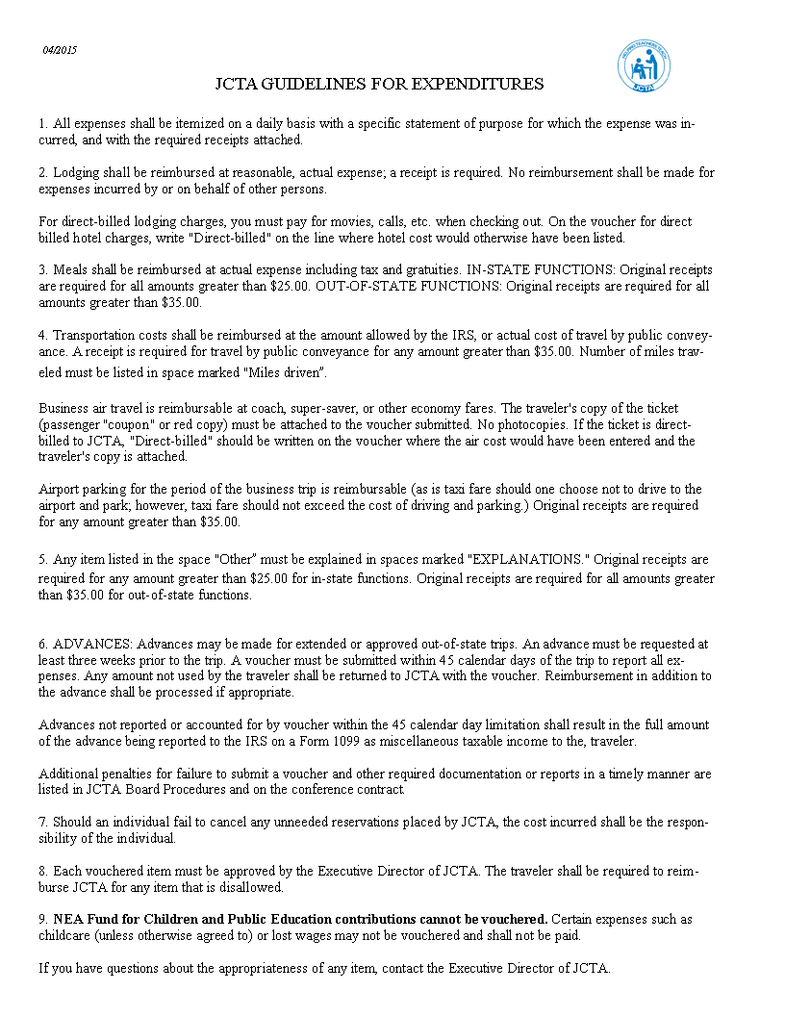

IF YOU HAVE ANY QUESTIONS ABOUT THE APPROPRIATENESS OF ANY ITEM, CONTACT THE JCTA EXECUTIVE DIRECTOR
DEEANN FLAHERTY

